All Suppliers
If you wold like to see Rader chart (quantified supplier assessment),
please click the button of "Column D".
PDB code | Supplier name | Contact subsidiary | Radar chart | Same/ Related supplier | PO amount | PO number | Delivery | Quality | PO Cancel | Buying rate 【PO#/RFQ#】 | PO Number
4 | Jiangsu Changzhou Tianyuan Chemical Factory | TCI-S |  |  | A | A | D | D | C | C | 401
28 | Changzhou Sunlight Pharmaceutical Co., Ltd. | TCI-S |  |  | A | A | A | C | C | B | 91
66 | GL Biochem | TCI-S |  |  | A | A | B | C | C | C | 350
171 | Iffect Chemphar (HK) Company Limited | TCI-S |  |  | A | A | B | C | C | C | 305
701 | Wutong Aroma Chemicals Co., Ltd. | TCI-S |  |  | B | B | B | B | C | C | 55
1324 | Penta | TCI-A |  |  | A | B | E | C | C | B | 85
1339 | Sam Fine O Chem Limited | TCI-I |  |  | A | C | E | E | A | C | 20
1442 | P&M | Direct (TCI-J) |  |  | A | A | A | C | A | A | 219
1463 | Dalchem | Direct (TCI-J) |  |  | A | A | E | C | C | C | 108
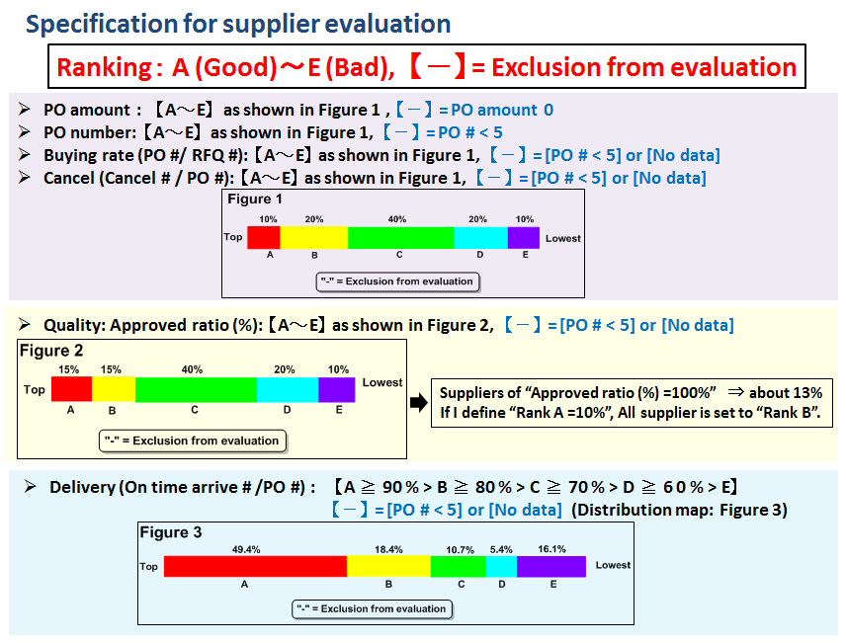
1472 | Catapro Technologies (Catapharma Pvt. Ltd.) | TCI-I |  |  | B | C | D | C | A | C | 15
1475 | Jubilant Life Sciences Ltd | TCI-I |  |  | A | C | E | C | A | B | 22
1479 | Organo Fine Chemicals | TCI-I |  |  | A | B | E | C | C | D | 73
1531 | Bedoukian | TCI-A |  |  | A | B | E | B | C | B | 70
1532 | Roper Thermals | TCI-A |  |  | A | C | B | C | A | A | 20
1599 | Denisco Chemicals PVT Ltd. | TCI-I |  |  | B | C | C | D | C | D | 28
1608 | BASR Fine Chemicals Private Limited | TCI-I |  |  | A | A | C | D | C | C | 145
1614 | Vasudha Pharma Chem Limited | TCI-I |  |  | B | C | E | D | D | C | 12
1616 | Sarex Overseas | TCI-I |  |  | B | B | C | D | C | C | 35
1617 | S. Nihar Exports/ N.Himatlal & Co. | TCI-I |  | 1617&9339 | A | B | C | C | C | C | 54
1663 | Allchem Laboratories | TCI-I |  |  | A | B | C | C | C | D | 75
1677 | GFS | TCI-A |  |  | A | A | D | B | C | B | 157
1689 | Gelest | TCI-A |  |  | A | A | E | C | C | B | 219
1723 | Silar | TCI-A |  |  | A | A | E | B | C | B | 89
1740 | Exfluor | TCI-A |  |  | A | B | D | A | A | A | 61
1949 | Nu-Chek Prep | TCI-A |  |  | A | B | C | B | A | A | 48
2077 | Vilnius Univ | TCI-E |  | 2077&6664 | B | C | E | C | C | B | 24
2176 | Raschig | TCI-E |  |  | B | C | A | C | A | B | 21
2179 | Synthon | TCI-E |  |  | A | A | D | C | C | C | 175
2366 | Synquest | TCI-A |  |  | A | A | E | C | C | C | 121
2380 | Epsilon | TCI-E |  |  | B | B | C | A | A | C | 50
2429 | Beijing Pure Chem Co., Ltd. | TCI-S |  |  | A | A | B | C | C | C | 366
2533 | Benzo Chem Industries Pvt. Ltd. | TCI-I |  | 2533&8748 | B | C | B | D | A | C | 24
2546 | Armar | TCI-E |  |  | A | B | B | A | C | C | 49
2582 | Halides Chemicals Pvt. Ltd. | TCI-I |  |  | B | C | A | D | A | A | 11
2594 | Umicore | TCI-E |  |  | A | B | C | A | A | B | 38
2696 | Strem | TCI-A |  |  | A | B | E | B | C | C | 49
3880 | Carbosynth | TCI-E |  |  | A | A | D | C | C | C | 99
4447 | Vigon | TCI-A |  |  | B | B | E | B | C | B | 38
4522 | Indo Amines Ltd | TCI-I |  |  | B | E | E | B | A | D | 6
4727 | Shanghai Yurlic Chemical S&T Co., Ltd.(China) | TCI-S |  |  | B | A | B | C | C | C | 102
4798 | Suzhou Highfine Biotech Co., Ltd. | TCI-S |  |  | A | A | A | B | C | C | 263
5943 | Shanghai Nuotai Chem Co., Ltd. | TCI-S |  |  | A | A | B | C | C | D | 776
6074 | Paragon Industries | TCI-I |  |  | B | C | A | E | A | C | 11
6243 | Suzhou Yacoo Chemical Reagent Co., Ltd. | TCI-S |  |  | B | B | A | C | D | D | 62
6281 | Shanghai Ruiyi Medical Tech Co.,Ltd | TCI-S |  |  | A | A | A | C | C | D | 117
6287 | Shanghai ColdSpring Biopharma Co., Ltd. | TCI-S |  |  | B | B | B | C | D | D | 83
6387 | Garuda Chemicals | TCI-I |  |  | C | C | C | B | A | B | 11
6556 | Puyang Huicheng Electronic Material Co., Ltd | TCI-S |  |  | A | A | A | C | C | C | 167
6664 | UAB Tikslioji Sinteze | TCI-E |  | 2077&6664 | A | B | D | B | A | C | 35
6726 | Beijing Lys Chemicals Co., Ltd | TCI-S |  |  | A | A | B | C | C | C | 129
6946 | Prabhat Chemiorganics Limited | TCI-I |  |  | B | D | E | C | A | B | 8
7072 | Dyesol | Direct (TCI-J) |  |  | A | A | A | A | A | D | 112
7455 | Panoli Intermediates (India) Pvt. Ltd. | TCI-I |  |  | C | - | - | - | - | - | 1
8582 | Shanghai Arbor Chemical Co.,Ltd.(China) | TCI-S |  |  | A | A | A | C | C | C | 120
8728 | Beijing Green Guardee Technology Co., Ltd. | TCI-S |  |  | A | A | D | C | C | C | 223
8748 | Gitanjali Chemicals | TCI-I |  | 2533&8748 | C | E | E | C | A | A | 5
9071 | Anami Organics | TCI-I |  |  | A | C | A | D | D | C | 12
9235 | Shanghai Topbiochem Technology Co., Ltd | TCI-S |  |  | B | A | A | D | D | C | 148
9292 | Henan Tianfu Chemical Co., Ltd. | TCI-S |  |  | A | A | A | C | D | D | 94
9339 | N.Himatlal & Co. | TCI-I |  | 1617&9339 | A | C | - | D | C | C | 21
9883 | Zhengzhou H&Q Photoelectric Material Co. | TCI-S |  |  | B | A | A | C | C | D | 96
10140 | Shanghai synchem Technolgy Co. Ltd | TCI-S |  |  | B | B | A | C | C | C | 55

